Rack Layout
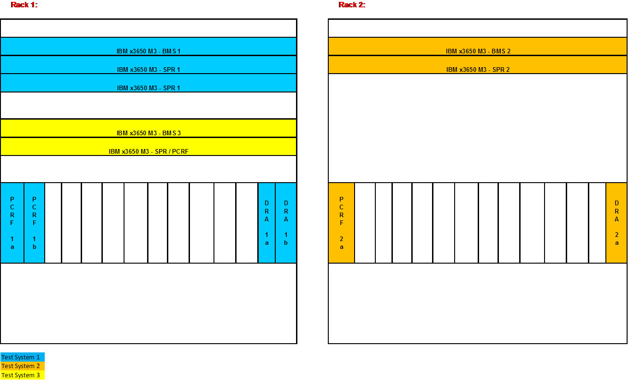

a) BMS
Generic_Server_x86 : IBM x3650 M3, Dual x5675 CPU, 3.06GHz, 48GB RAM, 4x 146GB
b) SPR
Generic_Server_x86 : IBM x3650 M3, Single x5675 CPU, 3.06GHz, 48GB RAM, 16x 146GB
c) PCRF/SPR
Generic_Server_x86 : IBM x3650 M3, Dual x5675 CPU, 3.06GHz, 48GB RAM, 4x 146GB
d) PCRF:
Generic_5000L_Blade: HS22 Blade Server, Dual x5675 CPU, 3.06GHz, 48GB RAM, 1x 146GB
e) DRA:
Generic_5000L_Blade: HS22 Blade Server, Dual x5675 CPU, 3.06GHz, 48GB RAM, 1x 146GB

